Flags
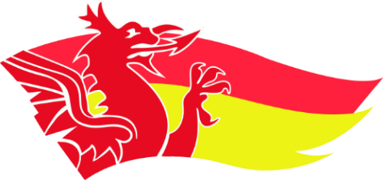
Welsh Rankings 2025

 |  | Flags

 |  | Race 1 |  |  |  |  | Race 2 |  |  |  |  | Race 3
 | Female Open |  |  | Male Open |  | Female Open |  |  | Male Open |  | Female Open |  |  | Male Open
1 | Evie Wong |  | 1 | Tomi Turner | 1 | Evie Wong |  | 1 | Tomos Rees | 1 | Evie Wong |  | 1 | Tomos Rees
2 |  |  | 2 | Petros Grigoriou | 2 |  |  | 2 | Petros Grigoriou | 2 |  |  | 2 | Aled James
3 |  |  | 3 | Tomos Rees | 3 |  |  | 3 | Aled James | 3 |  |  | 3 | Petros Grigoriou
4 |  |  | 4 | Aled James | 4 |  |  | 4 | Dan Whittaker | 4 |  |  | 4 | Dan Whittaker
5 |  |  | 5 | Dan Whittaker | 5 |  |  | 5 |  | 5 |  |  | 5
6 |  |  | 6 |  | 6 |  |  | 6 |  | 6 |  |  | 6

 | Female Youth |  |  | Male Youth |  | Female Youth |  |  | Male Youth |  | Female Youth |  |  | Male Youth
1 | Rosie Chick |  | 1 | Rees Harris | 1 | Rosie Chick |  | 1 | Rees Harris | 1 | Rosie Chick |  | 1 | Rees Harris
2 | Zoe Thomas |  | 2 | Joe Thomas | 2 | Poppy Bellamy |  | 2 | Sam Cole | 2 | Poppy Bellamy |  | 2 | Joe Thomas
3 | Poppy Bellamy |  | 3 | Gethin Lewis | 3 | Ava Wong |  | 3 | Joe Thomas | 3 | Zoe Thomas |  | 3 | Sam Cole
4 | Ava Wong |  | 4 | Callum Powell | 4 | Zoe Thomas |  | 4 | Gethin Lewis | 4 | Ava Wong |  | 4 | Travis Bennett
5 | Mali Fitzgerald |  | 5 | Sam Cole | 5 | Alice Davies |  | 5 | Alex Ballantyne | 5 | Mali Fitzgerald |  | 5 | Callum Powell
6 | Martha Hardwicke |  | 6 | Osian Davies | 6 | Martha Hardwicke |  | 6 | Callum Powell | 5 | Daisy Lewis |  | 6 | Osian Davies
6 | Daisy Lewis |  | 6 | Travis Bennett | 6 | Mali Fitzgerald |  | 6 | Travis Bennett | 7 | Martha Hardwicke |  | 6 | Gethin Lewis
8 | Maddie Clatworthy |  | 8 | Alex Ballantyne | 8 | Daisy Lewis |  | 8 | Osian Davies | 7 | Maddie Clatworthy |  | 8 | Alex Ballantyne
8 | Alice Davies |  | 8 | Luke Whittaker | 8 | Maddie Clatworthy |  | 8 | Luke Whittaker |  |  |  | 8 | Luke Whittaker

Ski
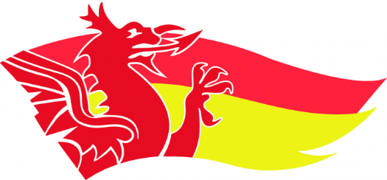
Welsh Rankings 2025

 |  | Ski

 |  | Race 1 |  |  |  |  | Race 2 |  |  |  |  | Race 3
 | Female |  |  | Male |  | Female |  |  | Male |  | Female |  |  | Male
1 | Evie Wong |  | 1 | Petros Grigoriou | 1 | Evie Wong |  | 1 | Cai Williams | 1 | Evie Wong |  | 1 | Evyn Roberts
2 | Ellie McCloy |  | 2 | Cai Williams | 2 | Ellie McCloy |  | 2 | Evyn Roberts | 2 | Ava Wong |  | 2 | Petros Grigoriou
3 | Ava Wong |  | 3 | Evyn Roberts | 3 | Ava Wong |  | 3 | Petros Grigoriou | 3 | Ellie McCloy |  | 3 | Cai Williams
4 | Connie Millar |  | 4 | Tomi Turner | 4 | Poppy Bellamy |  | 4 | Sol Bartram | 4 | Connie Millar |  | 4 | Sol Bartram
5 | Poppy Bellamy |  | 5 | Sol Bartram | 5 | Connie Millar |  | 5 | Ronan Adams | 5 | Abi Carson |  | 5 | Gethin Lewis
6 | Abi Carson |  | 6 | Lewis Morgan | 6 | Abi Carson |  | 6 | Tomi Turner | 6 | Poppy Bellamy |  | 6 | Ronan Adams
7 | Tillie Godsell |  | 7 | Ronan Adams | 7 | Tillie Godsell |  | 7 | Osian Davies | 7 | Tillie Godsell |  | 7 | Osian Davies
8 | Alice Davies |  | 8 | Gethin Lewis | 8 | Alice Davies |  | 8 | Gethin Lewis | 8 | Isabella Jones |  | 8 | Finn Burton
9 | Isabella Jones |  | 9 | Oliver Nolan | 9 | Isabella Jones |  | 9 | Ollie Nolan | 9 | Alice Davies |  | 9 | Callum Powell
10 |  |  | 10 | Osian Davies | 10 |  |  | 10 | Finn Burton | 10 |  |  | 10 | Ollie Nolan
11 |  |  | 11 | Finn Burton | 11 |  |  | 11 | Sam Cole | 11 |  |  | 11 | Sam Coles
12 |  |  | 12 | Callum Powell | 12 |  |  | 12 | Callum Powell | 12 |  |  | 12
13 |  |  | 13 | Sam Cole | 13 |  |  | 13 |  | 13 |  |  | 13
14 |  |  | 14 |  | 14 |  |  | 14 |  | 14 |  |  | 14
15 |  |  | 15 |  | 15 |  |  | 15 |  | 15 |  |  | 15
16 |  |  | 16 |  | 16 |  |  | 16 |  | 16 |  |  | 16
17 |  |  | 17 |  | 17 |  |  | 17 |  | 17 |  |  | 17
18 |  |  | 18 |  | 18 |  |  | 18 |  | 18 |  |  | 18
19 |  |  | 19 |  | 19 |  |  | 19 |  | 19 |  |  | 19
20 |  |  | 20 |  | 20 |  |  | 20 |  | 20 |  |  | 20
21 |  |  | 21 |  | 21 |  |  | 21 |  | 21 |  |  | 21
22 |  |  | 22 |  | 22 |  |  | 22 |  | 22 |  |  | 22

